LDBOND
LIC MF MEDIUM TO LONG DURATION FUND |  |  |  |  | Index

Monthly Portfolio Statement as on May 31,2025
Name of the Instrument | ISIN | Industry / Rating | Quantity | Market/Fair Value (Rounded, Rs. In Lacs) | Rounded, % to Net Assets | Yield

Debt Instruments
(a)Listed / Awaiting listing on stock Exchanges
7.7% State Government of Maharashtra | IN2220220205 | SOVEREIGN | 3,250,000.000 | 3,529.70 | 17.52% | 6.67%
7.1% Government of India | IN0020240019 | SOVEREIGN | 3,200,000.000 | 3,406.82 | 16.91% | 6.39%
6.79% Government of India | IN0020240126 | SOVEREIGN | 3,000,000.000 | 3,138.34 | 15.57% | 6.37%
7.8% State Government of Gujarat | IN1520220055 | SOVEREIGN | 2,500,000.000 | 2,755.37 | 13.67% | 6.60%
7.64% State Government of Maharashtra | IN2220220114 | SOVEREIGN | 1,500,000.000 | 1,619.16 | 8.04% | 6.60%
7.71% State Government of Maharashtra | IN2220230139 | SOVEREIGN | 1,250,000.000 | 1,347.99 | 6.69% | 6.67%
8.0% HDFC Bank Ltd. ** | INE040A08807 | CRISIL AAA | 100.000 | 1,122.18 | 5.57% | 7.00%
7.43% Jamnagar Utilities & Power Pvt. Ltd. ** | INE936D07190 | CRISIL AAA | 1,000.000 | 1,058.98 | 5.26% | 7.21%
7.12% State Government of Maharashtra | IN2220240401 | SOVEREIGN | 1,000,000.000 | 1,058.34 | 5.25% | 6.76%
7.11% State Government of Maharashtra | IN2220240310 | SOVEREIGN | 500,000.000 | 524.54 | 2.60% | 6.76%
7.72% State Government of Maharashtra | IN2220220072 | SOVEREIGN | 300,000.000 | 321.64 | 1.60% | 6.77%
Sub Total |  |  |  | 19,883.06 | 98.68%

(b)Privately Placed/Unlisted
Sub Total |  |  |  | NIL | NIL

(c)Securitised Debt Instruments
Sub Total |  |  |  | NIL | NIL

TOTAL |  |  |  | 19,883.06 | 98.67%

Others
Investment in Mutual fund
SBI CDMDF--A2 | INF0RQ622028 |  | 455.106 | 50.93 | 0.25%

TOTAL |  |  |  | 50.93 | 0.25%

Treps / Reverse Repo
Treps |  |  |  | 234.85 | 1.17%
Sub Total |  |  |  | 234.85 | 1.17%

TOTAL |  |  |  | 234.85 | 1.17%
Net Receivables / (Payables) |  |  |  | (17.83) | (0.09%)
GRAND TOTAL |  |  |  | 20,151.01 | 100.00%

** Non Traded Security

The product is suitable for investors who are seeking* | Riskometer - Scheme | First Tier Benchmark | Riskometer - First Tier Benchmark
LIC MF MEDIUM TO LONG DURATION FUND | 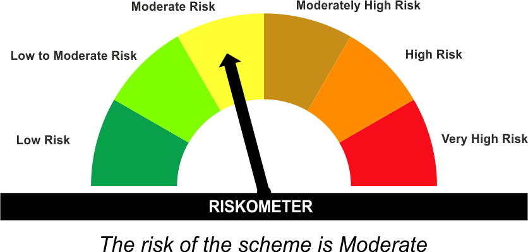 | CRISIL Medium to Long Duration Debt A-III Index | 
•Income Over Medium to long term
•To generate income/capital appreciation through investments in Debt / Money Market Instruments
•Risk – Moderate |  | •Risk - Moderate
“The Scheme and Benchmark riskometer disclosed above is latest available riskometer, for any updates please visit the AMC’s website (https://www.licmf.com/downloads/risk-o-meter-disclosure).

*Investors should consult their financial advisers if in doubt about whether the product is suitable for them.
Mutual Fund investments are subject to market risks, read all scheme related documents carefully.

 | Potential Risk Class
LDBOND | Credit Risk | Relatively Low (Class A) | Moderate (Class B) | Relatively High (Class C)
 | Interest Rate Risk
 | Relatively Low (Class I)
 | Moderate (Class II)
 | Relatively High (Class III) |  | B-III

 | Portfolio Information
Scheme Name : | LIC MF MEDIUM TO LONG DURATION FUND
Description (if any) | Medium to Long Duration Fund
Annualised Portfolio YTM* : | 6.57
Macaulay Duration | 6.29 Years
Residual Maturity | 8.09 Years
As on (Date) | 31 May 2025
* in case of semi annual YTM, it will be annualised
As the Regular and Direct plans have a common portfolio, the Portfolio yield given above is at the Scheme level

LDINPF
LIC MF BANKING & PSU FUND |  |  |  |  | Index

Monthly Portfolio Statement as on May 31,2025
Name of the Instrument | ISIN | Industry / Rating | Quantity | Market/Fair Value (Rounded, Rs. In Lacs) | Rounded, % to Net Assets | Yield | YTC

Debt Instruments
(a)Listed / Awaiting listing on stock Exchanges
7.83% Small Industries Development Bk of India ** | INE556F08KL3 | CRISIL AAA | 7,500.000 | 8,079.65 | 4.18% | 6.59%
7.48% National Bk for Agriculture & Rural Dev. ** | INE261F08EO7 | CRISIL AAA | 6,500.000 | 6,763.49 | 3.50% | 6.60%
8.09% NLC India Ltd. ** | INE589A07037 | ICRA AAA | 600.000 | 6,326.92 | 3.28% | 6.52%
6.79% Government of India | IN0020240126 | SOVEREIGN | 6,000,000.000 | 6,277.16 | 3.25% | 6.37%
7.1% Government of India | IN0020240019 | SOVEREIGN | 5,750,000.000 | 6,121.64 | 3.17% | 6.39%
7.45% Export Import Bank of India ** | INE514E08GB4 | CRISIL AAA | 5,500.000 | 5,756.70 | 2.98% | 6.48%
7.46% REC Ltd. ** | INE020B08EK4 | CRISIL AAA | 5,000.000 | 5,466.03 | 2.83% | 6.55%
7.27% Power Finance Corporation Ltd. ** | INE134E08ND3 | CRISIL AAA | 5,000.000 | 5,397.23 | 2.79% | 6.68%
7.39% Bank of Baroda ** | INE028A08281 | ICRA AAA | 500.000 | 5,388.08 | 2.79% | 6.84%
7.34% Small Industries Development Bk of India ** | INE556F08KS8 | CRISIL AAA | 5,000.000 | 5,360.04 | 2.77% | 6.65%
7.2% National Housing Bank ** | INE557F08GB0 | CARE AAA | 5,000.000 | 5,296.41 | 2.74% | 6.66%
7.43% Jamnagar Utilities & Power Pvt. Ltd. ** | INE936D07190 | CRISIL AAA | 5,000.000 | 5,294.91 | 2.74% | 7.21%
7.02% Export Import Bank of India ** | INE514E08FH3 | CRISIL AAA | 500.000 | 5,291.17 | 2.74% | 6.58%
7.29% National Housing Bank ** | INE557F08GC8 | CARE AAA | 5,000.000 | 5,277.94 | 2.73% | 6.66%
7.45% Indian Railway Finance Corporation Ltd. ** | INE053F08320 | CRISIL AAA | 5,000.000 | 5,188.66 | 2.69% | 6.50%
6.9% Housing & Urban Development Corp Ltd. ** | INE031A08962 | ICRA AAA | 5,000.000 | 5,084.46 | 2.63% | 6.72%
7.5% NHPC Ltd. ** | INE848E07AR7 | ICRA AAA | 2,250.000 | 4,864.62 | 2.52% | 6.38%
7.37% Indian Railway Finance Corporation Ltd. ** | INE053F08411 | CRISIL AAA | 4,500.000 | 4,670.75 | 2.42% | 6.57%
7.71% State Government of Gujarat | IN1520220279 | SOVEREIGN | 4,000,000.000 | 4,346.30 | 2.25% | 6.77%
8.4% Power Grid Corporation of India Ltd. ** | INE752E07MU0 | CRISIL AAA | 350.000 | 3,684.39 | 1.91% | 6.45%
7.14% REC Ltd. ** | INE020B08CO0 | CRISIL AAA | 300.000 | 3,128.54 | 1.62% | 6.62%
7.66% State Government of Gujarat | IN1520230195 | SOVEREIGN | 2,500,000.000 | 2,729.92 | 1.41% | 6.60%
7.57% Indian Railway Finance Corporation Ltd. ** | INE053F08353 | CRISIL AAA | 2,500.000 | 2,702.16 | 1.40% | 6.57%
7.41% Indian Oil Corporation Ltd. ** | INE242A08437 | FITCH AAA | 250.000 | 2,699.66 | 1.40% | 6.46%
8.27% National Highways Authority of India ** | INE906B07GP0 | CRISIL AAA | 250.000 | 2,683.06 | 1.39% | 6.48%
6.79% Government of India | IN0020240159 | SOVEREIGN | 2,500,000.000 | 2,675.87 | 1.39% | 6.37%
7.08% Power Grid Corporation of India Ltd. ** | INE752E08767 | CRISIL AAA | 2,500.000 | 2,660.89 | 1.38% | 6.75%
7.43% National Bk for Agriculture & Rural Dev. ** | INE261F08BX4 | ICRA AAA | 250.000 | 2,647.98 | 1.37% | 6.66%
7.14% Export Import Bank of India ** | INE514E08GD0 | CRISIL AAA | 2,500.000 | 2,643.86 | 1.37% | 6.49%
7.34% Nuclear Power Corporation ** | INE206D08469 | ICRA AAA | 250.000 | 2,642.51 | 1.37% | 6.53%
7.29% Housing & Urban Development Corp Ltd. ** | INE031A08939 | ICRA AAA | 2,500.000 | 2,635.06 | 1.36% | 6.82%
7.79% Power Finance Corporation Ltd. ** | INE134E08KU3 | CRISIL AAA | 250.000 | 2,624.35 | 1.36% | 6.67%
7.49% Small Industries Development Bk of India ** | INE556F08KX8 | CRISIL AAA | 2,500.000 | 2,619.91 | 1.36% | 6.65%
7.89% Power Grid Corporation of India Ltd. ** | INE752E07OE0 | CRISIL AAA | 250.000 | 2,604.97 | 1.35% | 6.40%
7.18% Government of India | IN0020230085 | SOVEREIGN | 2,400,000.000 | 2,590.50 | 1.34% | 6.36%
7.4% Power Finance Corporation Ltd. ** | INE134E08KQ1 | CRISIL AAA | 250.000 | 2,589.32 | 1.34% | 6.64%
7.34% REC Ltd. ** | INE020B08FL9 | CRISIL AAA | 2,500.000 | 2,587.21 | 1.34% | 6.64%
7.58% REC Ltd. ** | INE020B08FD6 | ICRA AAA | 2,500.000 | 2,582.79 | 1.34% | 6.62%
7.3763% Bajaj Finance Ltd. ** | INE296A07TJ4 | CRISIL AAA | 2,500.000 | 2,538.49 | 1.31% | 7.11%
7.38% Bajaj Finance Ltd. ** | INE296A07TL0 | CRISIL AAA | 2,500.000 | 2,536.65 | 1.31% | 7.18%
7.47% State Government of Maharashtra | IN2220230121 | SOVEREIGN | 1,500,000.000 | 1,608.86 | 0.83% | 6.75%
7.72% State Government of Maharashtra | IN2220220072 | SOVEREIGN | 1,500,000.000 | 1,608.19 | 0.83% | 6.77%
7.12% State Government of Maharashtra | IN2220240401 | SOVEREIGN | 1,500,000.000 | 1,587.51 | 0.82% | 6.76%
7.25% Indian Oil Corporation Ltd. ** | INE242A08569 | CRISIL AAA | 1,423.000 | 1,506.46 | 0.78% | 6.47%
6.61% Power Finance Corporation Ltd. ** | INE134E08NS1 | CRISIL AAA | 1,500.000 | 1,504.83 | 0.78% | 6.56%
7.52% NHPC Ltd. ** | INE848E07AA3 | CARE AAA | 100.000 | 1,074.25 | 0.56% | 6.44%
6.69% NTPC Ltd. ** | INE733E08197 | CRISIL AAA | 100.000 | 1,057.47 | 0.55% | 6.49%
7.38% Power Finance Corporation Ltd. ** | INE134E08NM4 | CRISIL AAA | 1,000.000 | 1,055.72 | 0.55% | 6.70%
7.7% State Government of Maharashtra | IN2220220205 | SOVEREIGN | 750,000.000 | 814.55 | 0.42% | 6.67%
7.43% Punjab National Bank ** | INE160A08316 | CRISIL AAA | 5.000 | 520.33 | 0.27% | 7.33% | 7.30%
Sub Total |  |  |  | 175,398.42 | 90.81%

(b)Privately Placed/Unlisted
Sub Total |  |  |  | NIL | NIL

(c)Securitised Debt Instruments
Sub Total |  |  |  | NIL | NIL

TOTAL |  |  |  | 175,398.42 | 90.80%

Money Market Instruments

Certificate of Deposit
Axis Bank Ltd. ** # | INE238AD6900 | CRISIL A1+ | 1,000.000 | 4,919.62 | 2.55% | 6.28%
Indian Bank ** # | INE562A16NV8 | CRISIL A1+ | 800.000 | 3,850.33 | 1.99% | 6.42%
Canara Bank ** # | INE476A16ZA9 | CRISIL A1+ | 500.000 | 2,460.27 | 1.27% | 6.27%
HDFC Bank Ltd. ** # | INE040A16FY5 | CRISIL A1+ | 300.000 | 1,452.23 | 0.75% | 6.46%
Axis Bank Ltd. ** # | INE238AD6AM2 | CRISIL A1+ | 300.000 | 1,437.07 | 0.74% | 6.45%
Sub Total |  |  |  | 14,119.52 | 7.31%

TOTAL |  |  |  | 14,119.52 | 7.31%

Others
Investment in Mutual fund
SBI CDMDF--A2 | INF0RQ622028 |  | 4,357.967 | 487.70 | 0.25%

TOTAL |  |  |  | 487.70 | 0.25%

Treps / Reverse Repo
Treps |  |  |  | 2,627.33 | 1.36%
Sub Total |  |  |  | 2,627.33 | 1.36%

TOTAL |  |  |  | 2,627.33 | 1.36%
Net Receivables / (Payables) |  |  |  | 525.96 | 0.28%
GRAND TOTAL |  |  |  | 193,158.93 | 100.00%

# Unlisted Security
** Non Traded Security

The product is suitable for investors who are seeking* | Riskometer - Scheme | First Tier Benchmark | Riskometer - First Tier Benchmark
LIC MF Banking & PSU Fund |  | NIFTY Banking & PSU Debt Index A-II | 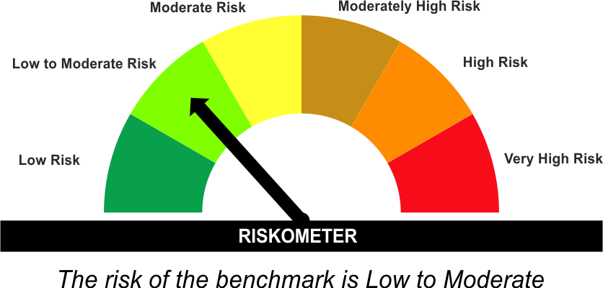
•Income for medium term capital appreciation with current income.
•An income fund that invests predominantly in debt and money market instruments issued by Banks, Public Sector Undertakings, Public Financial Institutions and Municipal Bonds
•Risk - Moderate |  | •Risk - Low To Moderate
“The Scheme and Benchmark riskometer disclosed above is latest available riskometer, for any updates please visit the AMC’s website (https://www.licmf.com/downloads/risk-o-meter-disclosure).

*Investors should consult their financial advisers if in doubt about whether the product is suitable for them.
Mutual Fund investments are subject to market risks, read all scheme related documents carefully.

 | Potential Risk Class
LDINPF | Credit Risk | Relatively Low (Class A) | Moderate (Class B) | Relatively High (Class C)
 | Interest Rate Risk
 | Relatively Low (Class I)
 | Moderate (Class II)
 | Relatively High (Class III) | A-III

 | Portfolio Information
Scheme Name : | LIC MF Banking & PSU Fund
Description (if any) | Banking and PSU Fund
Annualised Portfolio YTM* : | 6.55
Macaulay Duration | 4.07 Years
Residual Maturity | 4.84 Years
As on (Date) | 31 May 2025
* in case of semi annual YTM, it will be annualised
As the Regular and Direct plans have a common portfolio, the Portfolio yield given above is at the Scheme level

LDMIPF
LIC MF CONSERVATIVE HYBRID FUND |  |  |  |  | Index

Monthly Portfolio Statement as on May 31,2025
Name of the Instrument | ISIN | Industry / Rating | Quantity | Market/Fair Value (Rounded, Rs. In Lacs) | Rounded, % to Net Assets | Yield
Equity & Equity related
(a)Listed / Awaiting listing on Stock Exchanges
HDFC Bank Ltd. | INE040A01034 | Banks | 9,695.000 | 188.56 | 3.67%
JTL Industries Ltd. | INE391J01032 | Industrial Products | 259,201.000 | 174.93 | 3.40%
Reliance Industries Ltd. | INE002A01018 | Petroleum Products | 10,491.000 | 149.07 | 2.90%
Infosys Ltd. | INE009A01021 | IT - Software | 9,229.000 | 144.22 | 2.80%
ICICI Bank Ltd. | INE090A01021 | Banks | 8,260.000 | 119.42 | 2.32%
Axis Bank Ltd. | INE238A01034 | Banks | 6,741.000 | 80.37 | 1.56%
Bharat Forge Ltd. | INE465A01025 | Auto Components | 6,459.000 | 80.15 | 1.56%
Hindustan Unilever Ltd. | INE030A01027 | Diversified FMCG | 3,313.000 | 77.80 | 1.51%
Mahindra & Mahindra Ltd. | INE101A01026 | Automobiles | 899.000 | 26.76 | 0.52%
Sub Total |  |  |  | 1,041.28 | 20.25%
(b) Unlisted
Sub Total |  |  |  | NIL | NIL

TOTAL |  |  |  | 1,041.28 | 20.25%

Debt Instruments
(a)Listed / Awaiting listing on stock Exchanges
7.65% State Government of Tamil Nadu | IN3120230260 | SOVEREIGN | 500,000.000 | 539.10 | 10.48% | 6.67%
6.79% Government of India | IN0020240159 | SOVEREIGN | 500,000.000 | 535.17 | 10.41% | 6.37%
7.32% Government of India | IN0020230135 | SOVEREIGN | 500,000.000 | 533.50 | 10.37% | 6.03%
7.17% Government of India | IN0020230036 | SOVEREIGN | 500,000.000 | 531.33 | 10.33% | 5.97%
7.17% State Government of Karnataka | IN1920190106 | SOVEREIGN | 500,000.000 | 520.08 | 10.11% | 6.25%
7.26% Government of India | IN0020220060 | SOVEREIGN | 450,000.000 | 488.65 | 9.50% | 6.21%
8.13% Nuclear Power Corporation ** | INE206D08378 | CRISIL AAA | 40.000 | 424.10 | 8.25% | 6.43%
7.38% Government of India | IN0020220037 | SOVEREIGN | 200,000.000 | 212.99 | 4.14% | 5.79%
7.19% State Government of Tamil Nadu | IN3120190225 | SOVEREIGN | 150,000.000 | 156.54 | 3.04% | 6.35%
Sub Total |  |  |  | 3,941.46 | 76.63%

(b)Privately Placed/Unlisted
Sub Total |  |  |  | NIL | NIL

(c)Securitised Debt Instruments
Sub Total |  |  |  | NIL | NIL

TOTAL |  |  |  | 3,941.46 | 76.65%

Others
Investment in Mutual fund
SBI CDMDF--A2 | INF0RQ622028 |  | 157.192 | 17.59 | 0.34%

TOTAL |  |  |  | 17.59 | 0.34%

Treps / Reverse Repo
Treps |  |  |  | 154.25 | 3.00%
Sub Total |  |  |  | 154.25 | 3.00%

TOTAL |  |  |  | 154.25 | 3.00%
Net Receivables / (Payables) |  |  |  | (12.18) | (0.24%)
GRAND TOTAL |  |  |  | 5,142.40 | 100.00%

** Non Traded Security

The product is suitable for investors who are seeking* | Riskometer - Scheme | First Tier Benchmark | Riskometer - First Tier Benchmark
LIC MF CONSERVATIVE HYBRID FUND | 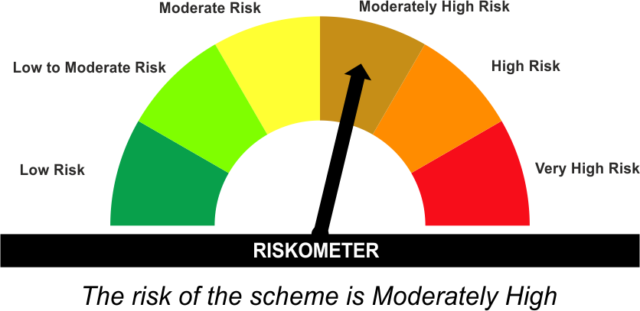 | CRISIL Hybrid 85+15 - Conservative Index
•Medium term capital appreciation with current income
•A fund that invests predominantly in debt instruments with marginal equity exposure.
•Risk - Moderately High |  | •Risk - Moderate
“The Scheme and Benchmark riskometer disclosed above is latest available riskometer, for any updates please visit the AMC’s website (https://www.licmf.com/downloads/risk-o-meter-disclosure).

*Investors should consult their financial advisers if in doubt about whether the product is suitable for them.
Mutual Fund investments are subject to market risks, read all scheme related documents carefully.

LDONTF
LIC MF OVERNIGHT FUND |  |  |  |  | Index

Monthly Portfolio Statement as on May 31,2025
Name of the Instrument | ISIN | Industry / Rating | Quantity | Market/Fair Value (Rounded, Rs. In Lacs) | Rounded, % to Net Assets | Yield

Money Market Instruments

Certificate of Deposit
HDFC Bank Ltd. ** # | INE040A16FE7 | CRISIL A1+ | 1,000.000 | 4,999.18 | 6.00% | 6.02%
Sub Total |  |  |  | 4,999.18 | 6.00%

Commercial Paper
Aditya Birla Capital Ltd. ** | INE860H144Y0 | CRISIL A1+ | 1,500.000 | 7,498.76 | 8.99% | 6.02%
Sub Total |  |  |  | 7,498.76 | 8.99%

Treasury Bill
91 DAYS TBILL RED 05-06-2025 | IN002024X482 | SOVEREIGN | 2,500,000.000 | 2,498.41 | 3.00% | 5.83%
91 DAYS TBILL RED 12-06-2025 | IN002024X490 | SOVEREIGN | 2,500,000.000 | 2,495.71 | 2.99% | 5.70%
Sub Total |  |  |  | 4,994.12 | 5.99%

TOTAL |  |  |  | 17,492.06 | 20.98%

Treps / Reverse Repo
Reverse Repo |  |  |  | 26,808.23 | 32.15%
Treps |  |  |  | 38,978.58 | 46.74%
Sub Total |  |  |  | 65,786.81 | 78.89%

TOTAL |  |  |  | 65,786.81 | 78.89%
Net Receivables / (Payables) |  |  |  | 109.03 | 0.13%
GRAND TOTAL |  |  |  | 83,387.90 | 100.00%

# Unlisted Security
** Non Traded Security

The product is suitable for investors who are seeking* | Riskometer - Scheme | First Tier Benchmark | Riskometer - First Tier Benchmark
LIC MF Overnight Fund |  | NIFTY 1D Rate Index | 
•Income with high levels of safety and liquidity over short term.
•Investment in debt and money market instruments with overnight maturity.
•Risk – Low to Moderate |  | •Risk – Low
“The Scheme and Benchmark riskometer disclosed above is latest available riskometer, for any updates please visit the AMC’s website (https://www.licmf.com/downloads/risk-o-meter-disclosure).

*Investors should consult their financial advisers if in doubt about whether the product is suitable for them.
Mutual Fund investments are subject to market risks, read all scheme related documents carefully.

 | Potential Risk Class
LDONTF | Credit Risk | Relatively Low (Class A) | Moderate (Class B) | Relatively High (Class C)
 | Interest Rate Risk
 | Relatively Low (Class I) | A-I
 | Moderate (Class II)
 | Relatively High (Class III)

 | Portfolio Information
Scheme Name : | LIC MF Overnight Fund
Description (if any) | Overnight Fund
Annualised Portfolio YTM* : | 5.83
Macaulay Duration | 0.01 Years
Residual Maturity | 0.01 Years
As on (Date) | 31 May 2025
* in case of semi annual YTM, it will be annualised
As the Regular and Direct plans have a common portfolio, the Portfolio yield given above is at the Scheme level

